Example
MY BUG REPORT EXAMPLE

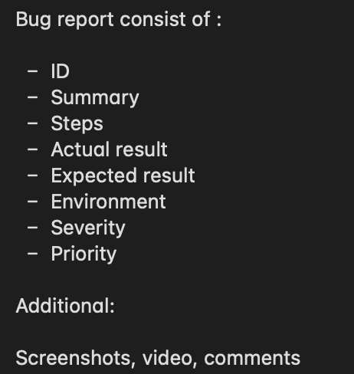
Bug ID | Priority | Summary (What? Where? Why?) | Enviroment | Steps Description | Expected / Actual Results | ScreenShots
BUG - 001 | High | Button verify user registration form whithout password | IOS Version 16 | 1. Navigate to the website 2. Fill the “Email address”field 3. Leave “Password” without any data 4. Click on checkbox “Check me out” 5. Click “Submit” | • Expected result: System shows error message that the password field is required • Actual result: Button verify registration form with email address but without password | 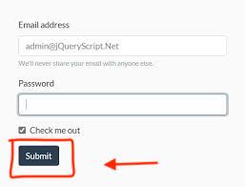
BUG - 002 | High | User cannot add any data in "Adress"field | Safari Version 15.3 | 1. Navigate to the website 2. Click “Sign In” 3. In the “ Adress 1” field type any Latin characters | • Expected result: User can use Latin characters for to fill the “Address” field • Actual result: Doesn’t shows any data in the “Adress 1” field | 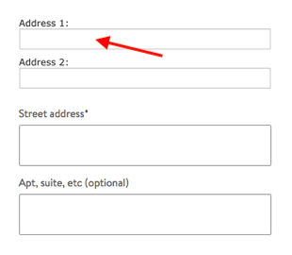
BUG - 003 | Low | Broken images on the ads gallery webpage | Chrome 106.0.5249.119 | 1. Navigate to the website 2. Click on link button “More” | • Expected result: User can see all ads descriptions and images • Actual result: Webpage shows not uploaded(broken) images
BUG - 004 | Medium | Users photo doesn’t uploads in the user profile section | Firefox Version 106.0.2. | 1. Navigate to the website 2. Click on link button “Log In” 3. Provide e-mail adress 4. Provide password 5. Click “Log In” 6. Click the “Users Icon” above 7. Click on the “Users photo” 8. Upload a photo | • Expected result: Profile can show that users photo is uploaded • Actual result: When the user uploads a photo, the image doesn't get replaced even after the profile is refreshed | 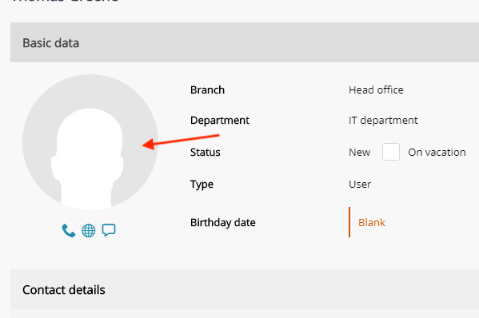
BUG - 006 | Blocker | 404 error after Integration with users Bank accont | Chrome Version 106.0.5249.119 | 1. Navigate to the website 2. Click on link button “Log In” 3. Choose an icon “GlobalBank” | • Expected result: Server should show integration and with possibility to log in throw user’s bank account • Actual result: Server cannot find the page after user choose registration throw the bank account. Appears error 404. | 